Cover Letter
PRINT
Olympus OER-Pro Comparison Calculator
Facility Name

 | Investing in Olympus technology is an important decision. Investing smarter in today's economy is a necessary one. That's why we've developed the Olympus OER-Pro Comparison Calculator. The OER-Pro can be a compelling business proposition and major addition to your existing portfolio. In an effort to assist our current and prospective customers with their own analyses, Olympus has developed a flexible and tailored OER-Pro Comparison tool. Please keep in mind the following Olympus points when performing your analysis:

 | q | Simultaneous reprocessing of two flexible scopes averages 26 to 29 minutes depending on chosen disinfectant
 | q | Compact and smart design helps ease operation and installation
 | q | Eliminates 7 of the 11 manual cleaning steps
 | q | Equipped with simple-to-use Radio Frequency Identification (RFID)
 | q | Options available for electronic documentation of your OER-Pro reprocessing records
 | q | Flexible financial options are available and can be tailored to meet your needs
 | q | Olympus University offers accredited training courses
 | q | Olympus offers 24/7 technical support
 | q | Olympus offers web portals for repair history and equipment information that are available at your convenience
 | q | Olympus' broad Field Support Team is available to serve your needs

 | This calculator illustrates operational cost projection comparisons of the OER-Pro based on specific cost assumptions. Remember, this tool is designed to be flexible and to take into account your unique customer information.
 | Thank you for your time and interest in Olympus' products and solutions. At Olympus, we appreciate the opportunity to partner with our customers to provide the most advanced and efficient care to your patients. We look forward to doing business with you.

 | Best Regards

 | [Enter Name]
 | Endoscopy Account Manager

Safety Issues
Safety Issues

Background Information / Data to Consider:
Olympus created the OER-Pro because no one understands the intricacies of our endoscopes better than we do. Since the OER-Pro eliminates a significant number of steps in the manual cleaning process, you can overcome common user errors and provide faster turnaround times. Because of our intimate knowledge of Olympus endoscope design, we can provide guaranteed material compatibility of our high level disinfectants and detergents. In addition, you can be assured that endoscopes repaired by Olympus maintain their reprocessing validation, this also includes our CPO, used and demo equipment. This is not the case for Olympus endoscopes repaired with third party components. This intimate knowledge and continuous component validation allow us to bring you efficiencies such as eliminating 7 of the 11 recommended manual cleaning steps. The OER-Pro features also provide the following safety values: • Optimizes infection control efforts • Tracks scopes to patient, OER-Pro, and reprocessing technician • Mitigates risk • OER-Pro with the Acecide-C cartridge system minimizes staff exposure to chemicals
Additionally, new guideline &/or standards of care have emerged that heighten endoscope reprocessing-related documentation requirements. The current OER-Pro documentation is shown below with right side-bar that summarizes how this complies with these new documentation guidelines currently as well as what will be available very soon.

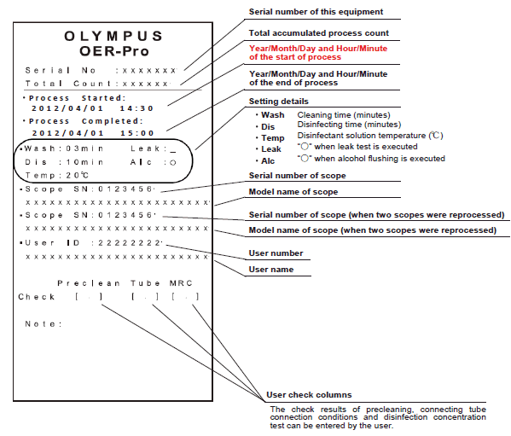

The OER-Pro currently records the following:
•Serial Number / Endoscope ID
•AER ID
•Reprocessing Staff Member
•Errors
•Other details as shown on the left
The OER-Pro with IN10 Reprocessing Management Module *** also records:
•Patient Name
•Medical Record Number
•Procedure Type
•Endoscopist
***The IN10 Reprocessing Management Module (an additional product to be launched in early 2013) exceeds ALL of the documentation requirements noted in any of the new Guidelines.

Acecide-C
Acecide-C Advantages

Safety:
 | Ease of use & minimal staff exposure when changing cartridges (as opposed to pouring other liquid chemical germicides) as shown below:

3 easy steps for OER-Pro / Acecide-C peracetic acid cartridge changes:

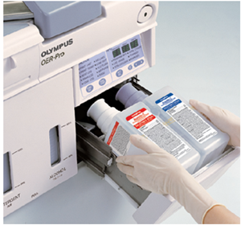

Step 1
Remove the empty cassette bottles from the disinfectant bottle drawer.

Step 2
Hold the new disinfectant cassette bottles together and place them on the disinfectant bottle drawer so that the bottle with the purple cap is on the right.

Step 3
Lift the disinfectant bottle drawer so that it is level, and insert it all the way. The buzzer should beep, the drawer should lock, and the disinfectant cassette bottles should open automatically.

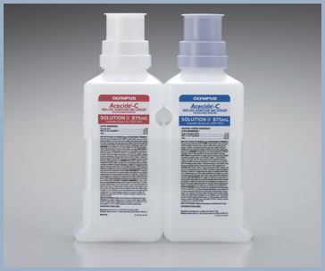

Acecide-C is an aldehyde-free, liquid chemical germicide that provides an easier, safer, more efficient reprocessing solution – proven for material compatibility by Olympus for Olympus endoscopes.

Superior Efficacy:
 | Faster tuberculocidal activity than Cidex as shown below. Refer to Acecide-C brochure for complete details.
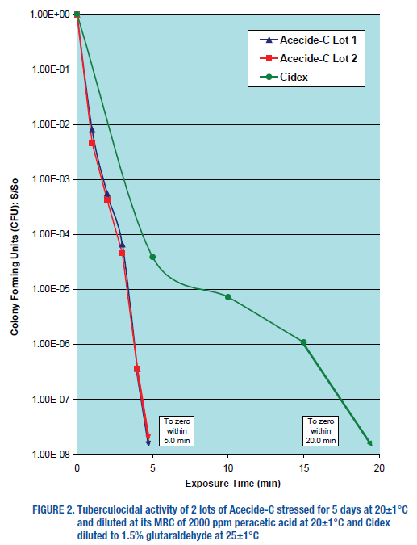
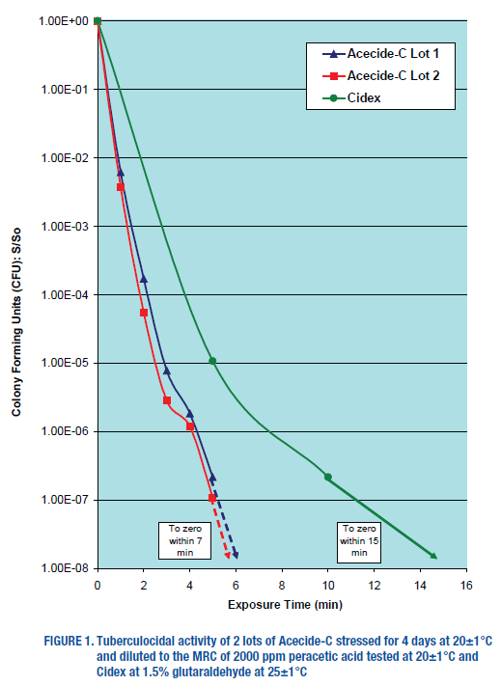

Safe, Efficient, Easy to Use
 | Delivered in easy-to-handle cassette bottles that minimize staff exposure
 | Achieves high-level disinfection in 7 minutes resulting in a short, 26-minute OER-Pro cycle time
 | Validated by Olympus to maintain the exceptional performance you expect day after day

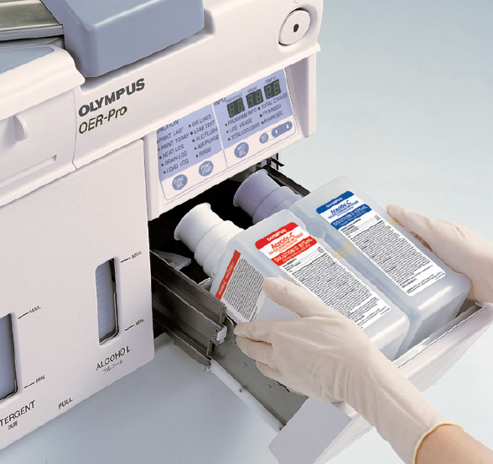
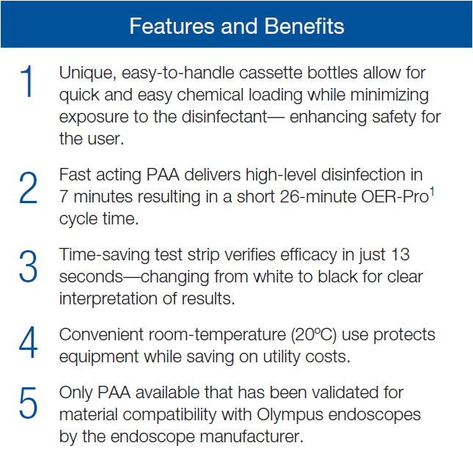

Time Savings

ALDAHOL
ALDAHOL High-Level Disinfectant

ALDAHOL is the result of a groundbreaking scientific discovery. Scientists discovered that low concentrations of isopropanol greatly enhance the mycobactericidal activity of glutaraldehyde. ALDAHOL was created to provide fast-acting, room-temperature, high-level disinfection for reprocessing.

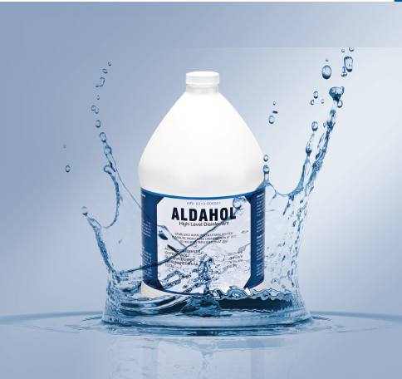
HLD Kill-Rate Comparison
With a kill rate exceeding glutaraldehyde and OPA at the same time and temperature, you can ensure confident, efficient reprocessing with ALDAHOL.

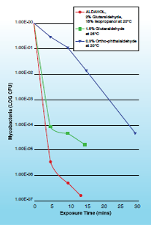

Features and Benefits
Fast Acting
 | ALDAHOL is rapidly active against all vegetative bacteria, fungi, virus types, mycobacteria, and spore-forming bacteria. When used manually at just 10 minutes, it is the fastest high-level disinfectant on the market.

Energy Efficient
 | Used at room temperature (68 degrees F), ALDAHOL frees your facility from the time and expense of having to continuously heat chemicals, using less energy overall.

Simple to Use
 | ALDAHOL has a convenient 14-day maximum use life, and an easy-to-use liquid activator that changes ALDAHOL to red for visual confirmation. Additionally, it rinses easily from all surfaces.

Widely Compatible
 | Unlike some other aldehyde-based solutions, ALDAHOL is ideal for all Olympus and Gyrus ACMI flexible endoscopes.

